Energy_item
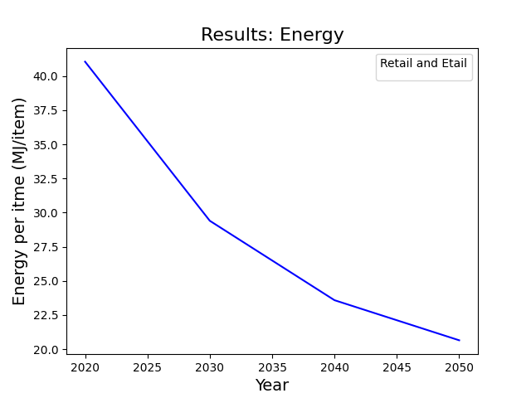
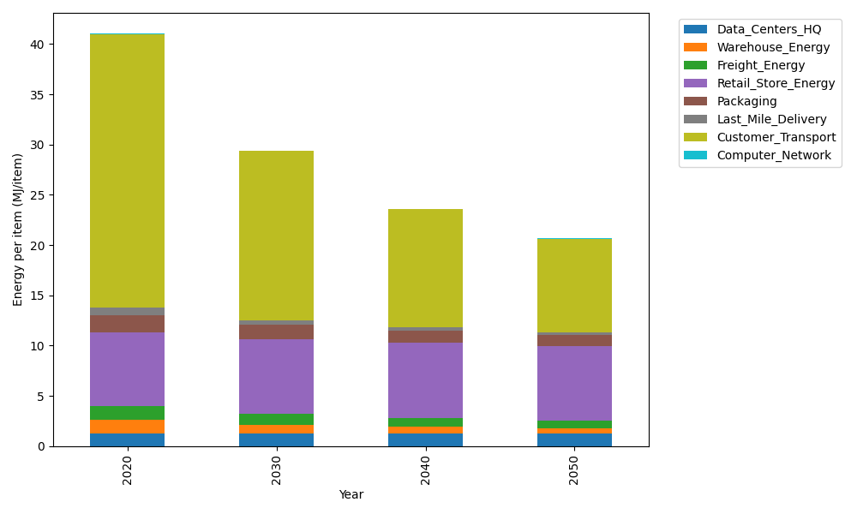
Years | Data_Centers_HQ | Warehouse_Energy | Freight_Energy | Retail_Store_Energy | Packaging | Last_Mile_Delivery | Customer_Transport | Computer_Network | Total
2020 | 1.2374141979 | 1.3410488455 | 1.4107074629 | 7.3100139929 | 1.6916682183 | 0.81048496881 | 27.205060503 | 0.042881298171 | 41.049279487
2030 | 1.2352718172 | 0.84935431858 | 1.1193895147 | 7.4274928124 | 1.4604564316 | 0.44232288545 | 16.825962288 | 0.038322286335 | 29.398572354
2040 | 1.2350053479 | 0.66269158569 | 0.91296795933 | 7.4421048224 | 1.2586847202 | 0.30166133605 | 11.731290775 | 0.037755236657 | 23.582161783
2050 | 1.2351847631 | 0.517354491 | 0.75559080487 | 7.4322664771 | 1.1144532815 | 0.24401539158 | 9.30835628 | 0.038137034271 | 20.645358523

CO2_item
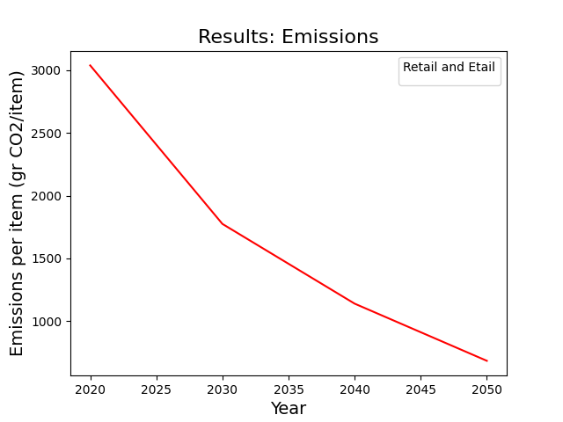
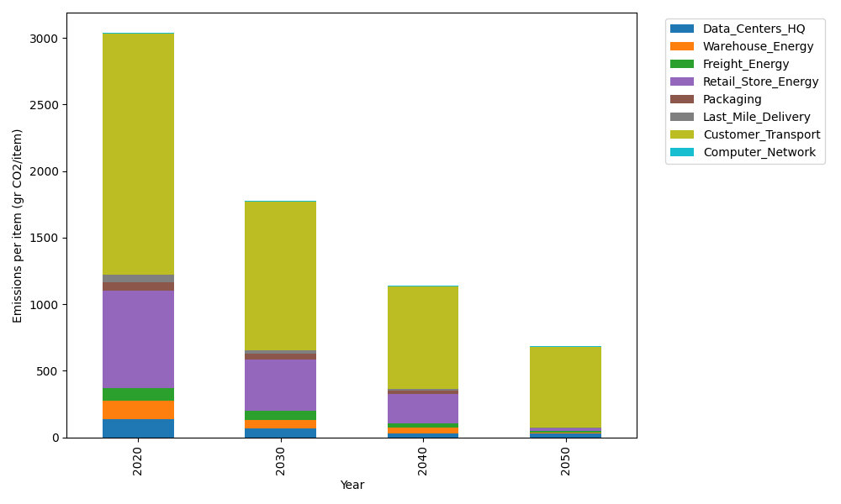
Years | Data_Centers_HQ | Warehouse_Energy | Freight_Energy | Retail_Store_Energy | Packaging | Last_Mile_Delivery | Customer_Transport | Computer_Network | Total
2020 | 140.14711191 | 133.87537195 | 96.078360958 | 728.99305529 | 65.522142061 | 55.634223426 | 1810.3407664 | 7.2330803936 | 3037.8241124
2030 | 64.567658151 | 68.888730324 | 65.934192637 | 385.16850385 | 41.723436199 | 27.933432312 | 1114.3858444 | 6.4640808406 | 1775.0658787
2040 | 31.996237745 | 39.691368968 | 34.396886638 | 222.64975433 | 20.345670452 | 13.563070388 | 771.04422853 | 6.3684327123 | 1140.0556498
2050 | 31.999603119 | 2.6484311937 | 15.025850823 | 14.823694324 | 0 | 6.8674916969 | 606.91178431 | 6.4328331142 | 684.70968858

